API盤點
模塊 | 功能 | 缺少資訊API | 備註 | 功能呈現 | response example
其他 | topheader | http://iotbiz.shunshiwei.com:9201/apis/api-tenant/users/me/info | 取得個人信息 |  | {"data":{"domain":null,"name":"瀚宇彩晶股份有限公司","roleName":"业务管理员","tel":null,"id":"71","username":"hanyucaij"},"code":0,"msg":"操作成功"}
 |  | http://iotbiz.shunshiwei.com:9201/apis/api-user/users/password | 修改密碼 |  | {"timestamp":1609122676885,"status":404,"error":"Not Found","message":"Not Found","path":"/users/password"}
 |  | http://iotbiz.shunshiwei.com:9201/apis/api-auth/oauth/remove/token?access_token=7db75d4f-c52c-4548-ae71-ab195b5c49a9 | 退出登入API
 | 登入 | http://iotbiz.shunshiwei.com:9201/apis/api-auth/oauth/user/token | 取得認證token | 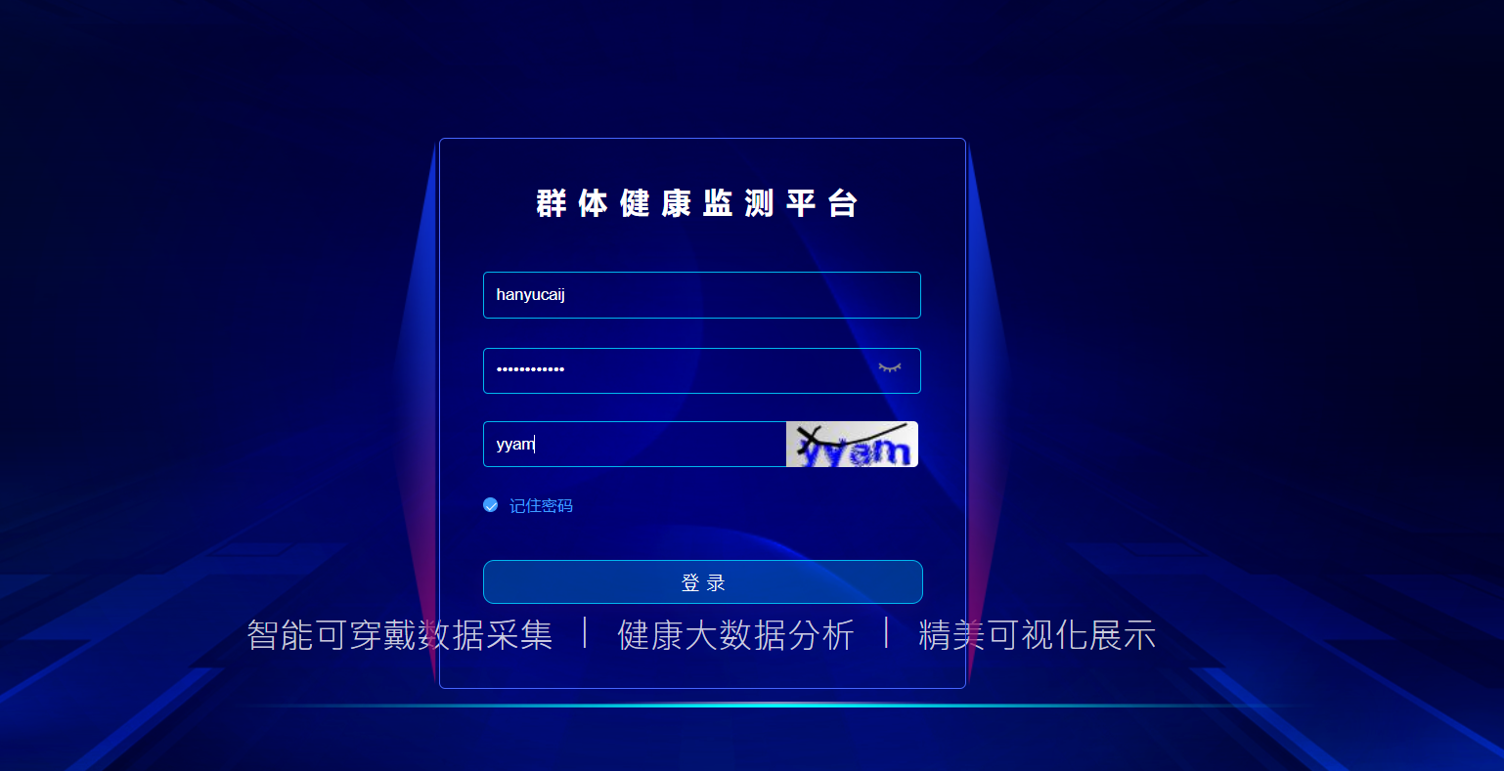 | {"data":{"access_token":"b27d0d71-98e6-4d87-953c-ce878bce965b","token_type":"bearer","refresh_token":"34ace32d-257c-49ea-8a28-a0f39cf42ef9","expires_in":179999,"scope":"app"},"code":0,"msg":null}
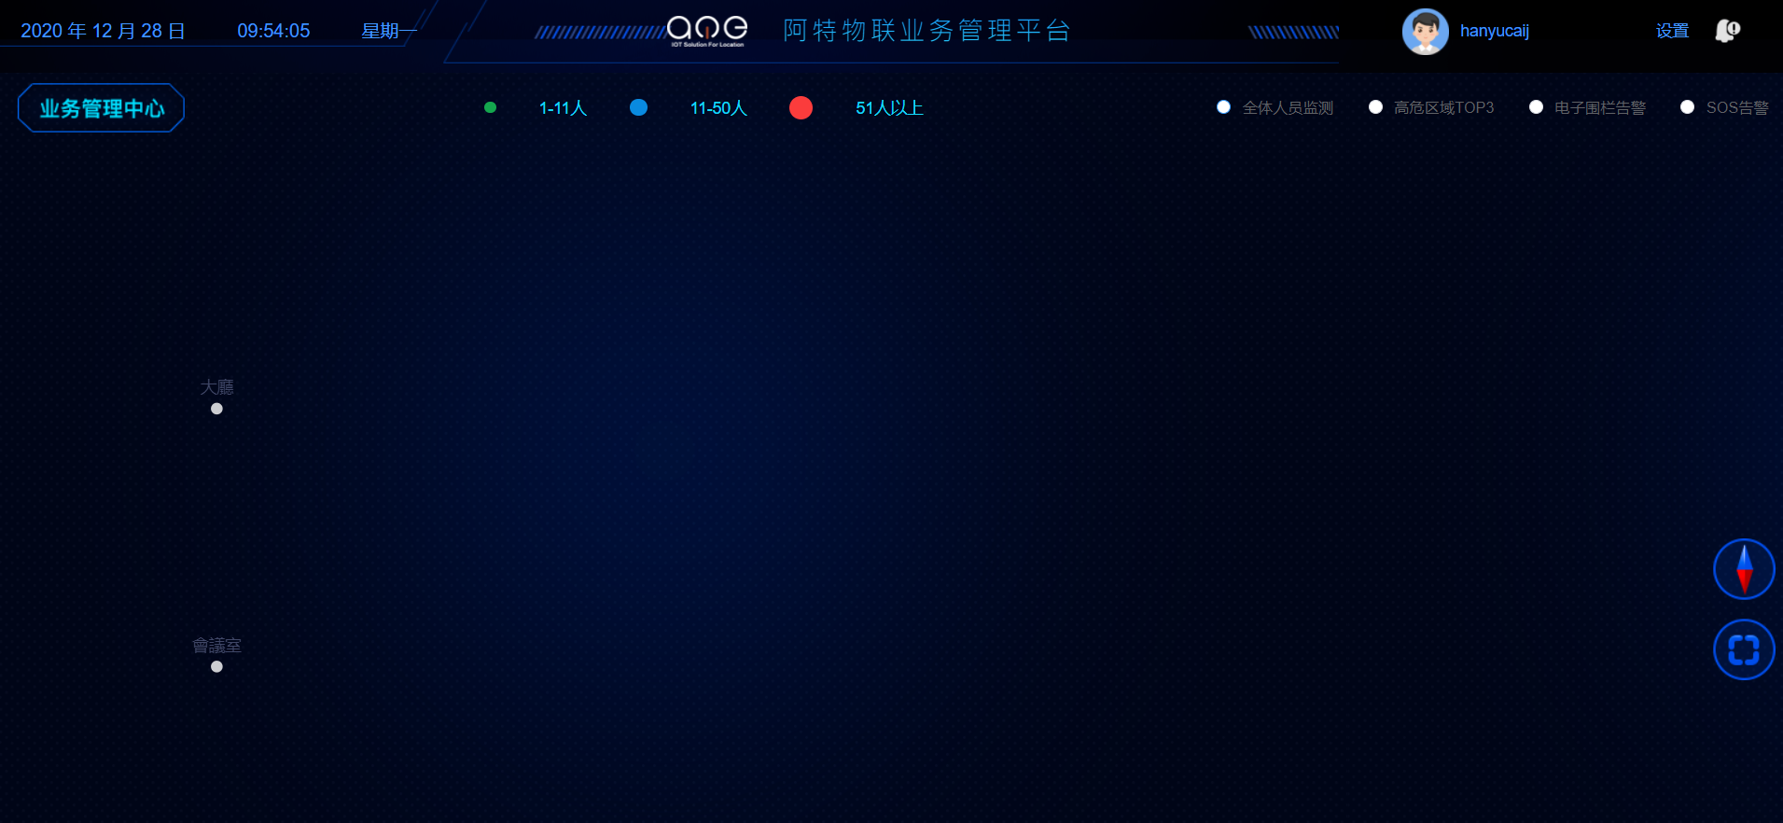
群體監測 | overview | http://iotbiz.shunshiwei.com:9201/apis/api-auth/oauth/userinfo | 取得使用者資訊 |  | {"data":{"user":{"id":"71","username":"hanyucaij","password":"$2a$10$fYEKkk1Go0hfg8qf9TMibe8AZ.3QNkayK2NG.e6iHDPqi5wxuQsw6","nickname":"hanyucaij","headImgUrl":null,"phone":null,"email":null,"sex":1,"enabled":true,"type":"TENANT","createdBy":1,"createTime":"2020-07-10T02:26:26.000+0000","updateTime":"2020-07-10T02:26:26.000+0000","roles":null,"roleId":"[3]","tenantId":12,"tenantGroupId":null,"oldPassword":null,"newPassword":null,"clientId":"test0000000hancaijin","logUrl":null,"logoName":null,"openId":null,"sysRoles":[{"id":"3","code":"BUS","name":"业务管理员","createTime":"2019-06-15T04:52:00.000+0000","updateTime":"2019-06-17T04:52:00.000+0000","userId":null,"collectionsType":3,"createBy":1,"tenantId":null,"tenantGroupId":null,"menuIds":null}],"permissions":["permission:get/permissions/{roleId}/permissions","role:delete/roles/{id}","user:post/users/saveOrUpdate","role:get/roles","user:put/users/password","sysTenantGroup:delete/sysTenantGroups/{id}","menu:get/menus/tree","role:put/roles","menu:get/menus/all","user:get/users/{id}/roles","role:post/roles","user:get/users/updateEnabled","menu:get/menus/findAlls","role:get/roles/{id}/permissions","permission:put/permissions","permission:get/permissions","menu:delete/menus/{id}","sysTenantGroup:get:post/sysTenantGroups/update","user:put/users/me","sysTenantGroup:get/sysTenantGroups","sysTenantGroup:get:post/sysTenantGroups/save","user:post/users/{id}/roles","menu:post/menus","menu:get/menus/{roleId}/menus","role:post/roles/{id}/permissions","user:post/users/exportUser","permission:delete/permissions/{id}","permission:post/permissions","menu:get/menus/current","menu:put/menus","user:get/users","menu:get/menus/findOnes","user:post/users/{id}/resetPassword","menu:post/menus/granted"],"menus":["singlepersoncheckmgr/searchDetailPersonDate.html","authorityMgr/user.html","configmgr/devicemgr.html","singlepersoncheckmgr/searchPersonTouchDate.html","personOnloadData/personOnloadData.html","authorityMgr/role.html","personcheckmgr","sin
 |  | http://iotbiz.shunshiwei.com:9201/apis/api-user/beacon/addr/config/list | 取得所有成員位置資訊 |  | {"data":{"pageNum":1,"pageSize":500,"size":2,"startRow":1,"endRow":2,"total":"2","pages":1,"list":[{"id":"417","beaconIds":"63","addrDescri":"會議室","addrId":"d12036f12445","remarks":null,"groupId":null,"localStat":null,"tenantId":"12","tenantGroupId":null,"createBy":null,"createTime":1594779557000,"updateTime":1594781928000,"fenceState":null,"beaconList":[{"id":"474","serialNo":"d12036f12445","beaconId":63,"beaconAddrId":"d12036f12445","deviceDesc":"會議室","parentDomainId":null,"userGroupId":null,"tenantId":"12","addr":"會議室","addrType":null,"deviceName":"會議室","electric":null,"localStat":null,"createBy":null,"remarks":null,"classType":8,"modelType":12,"tenantGroupId":null,"createUser":null,"updateUser":null,"createTime":1594781701000,"updateTime":null,"deviceSource":0,"tagCode":null,"bizCode":null,"bindState":1,"configState":0,"xvalue":null,"yvalue":null}],"xvalue":10,"yvalue":10},{"id":"418","beaconIds":"177","addrDescri":"大廳","addrId":"d85f4b6b4252","remarks":null,"groupId":null,"localStat":null,"tenantId":"12","tenantGroupId":null,"createBy":null,"createTime":1594779999000,"updateTime":1594781934000,"fenceState":null,"beaconList":[{"id":"473","serialNo":"d85f4b6b4252","beaconId":177,"beaconAddrId":"d85f4b6b4252","deviceDesc":"大廳","parentDomainId":null,"userGroupId":null,"tenantId":"12","addr":"大廳","addrType":null,"deviceName":"大廳","electric":null,"localStat":null,"createBy":null,"remarks":null,"classType":8,"modelType":12,"tenantGroupId":null,"createUser":null,"updateUser":null,"createTime":1594781685000,"updateTime":null,"deviceSource":0,"tagCode":null,"bizCode":null,"bindState":1,"configState":1,"xvalue":null,"yvalue":null}],"xvalue":10,"yvalue":20}],"prePage":0,"nextPage":0,"isFirstPage":true,"isLastPage":true,"hasPreviousPage":false,"hasNextPage":false,"navigatePages":8,"navigatepageNums":[1],"navigateFirstPage":1,"navigateLastPage":1,"firstPage":1,"lastPage":1},"code":0,"msg":null}
 |  | http://iotbiz.shunshiwei.com:9201/apis/api-user/comprehensive/personnel/moni/cur/org/hot/location |  |  | {"data":{"total":0,"voList":[]},"code":0,"msg":"操作成功"}
 |  | http://iotbiz.shunshiwei.com:9201/apis/api-user/sysEmployees/statistics | 取得儀錶板上方各項統計資訊 |  | {"data":{"allNum":3,"maleNum":2,"femaleNum":1,"bandBindNum":2,"bandNotBindNum":1},"code":0,"msg":null}
 |  | http://iotbiz.shunshiwei.com:9201/apis/api-user/comprehensive/personnel/moni/org/all/heart/rate/data |  |  | {"data":null,"code":0,"msg":null}
 |  | http://iotbiz.shunshiwei.com:9201/apis/api-user/common/event/elec/fence/count |  |  | {"data":[],"code":0,"msg":null}
 |  | http://iotbiz.shunshiwei.com:9201/apis/api-user/comprehensive/personnel/moni/cur/page/org/sos |  |  | {"data":[],"code":0,"msg":"操作成功"}
 | 全員態勢 | http://iotbiz.shunshiwei.com:9201/apis/api-tenant/sysTenants/get/tenant/map |  |  | {"data":"","code":0,"msg":"操作成功"}
 |  | http://iotbiz.shunshiwei.com:9201/apis/api-user/beacon/addr/config/list | 取得所有成員位置資訊
 |  | http://iotbiz.shunshiwei.com:9201/apis/api-user/comprehensive/personnel/moni/cur/org/hot/location
 |  | http://iotbiz.shunshiwei.com:9201/apis/api-user/sysEmployees/statistics | 取得儀錶板上方各項統計資訊
 |  | http://iotbiz.shunshiwei.com:9201/apis/api-user/comprehensive/personnel/moni/cur/org/att/all/list |  | 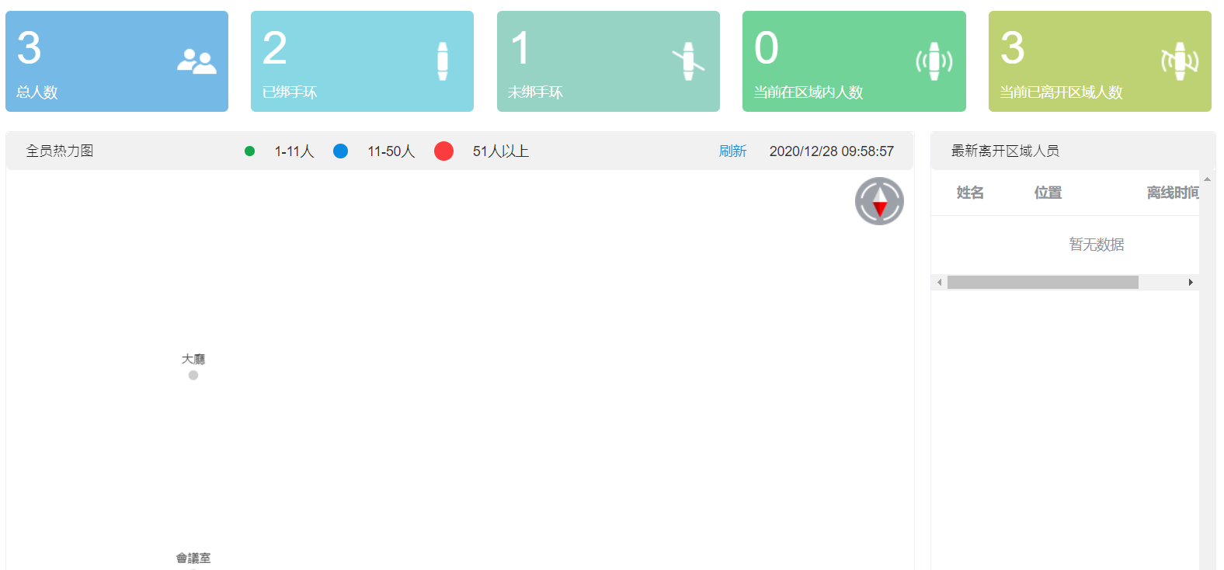 | {"data":null,"code":0,"msg":null}
 | 實時預警 | http://iotbiz.shunshiwei.com:9201/apis/api-user/common/event/elec/fence/page/list | 取得預警數據 |  | {"data":{"total":0,"pages":0,"pageSize":10,"list":[],"pageNum":1},"code":0,"msg":null}
 |  | http://iotbiz.shunshiwei.com:9201/apis/api-user/common/event/elec/fence/count
 |  | 實時預警內的群發提醒API(目前因為沒資料所以無法得知URL) 因目前預警員工沒資料，不知道有資料時的畫面會不會有其他的觸發動作(ex.每列資料有各自的按鈕可以查看細部資訊或者進行編輯) |  | 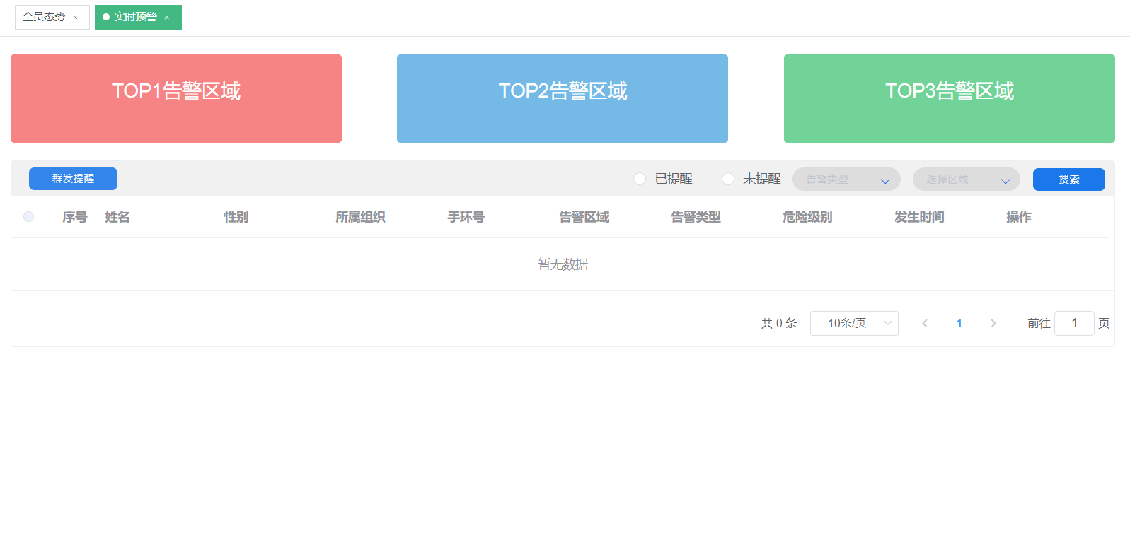
 | 運動健康 | http://iotbiz.shunshiwei.com:9201/apis/api-user/sysOrganizations/list/cur/tree | 查詢組織樹 |  | {"data":[{"id":"74","name":"Hannstar","description":"瀚宇彩晶股份有限公司","parent":"-1","code":"hanyucaij","tenantId":"12","createdBy":"71","deleted":"N","status":"2","level":"1","children":[{"id":"85","name":"SG0400","description":null,"parent":"74","code":null,"tenantId":"12","createdBy":"71","deleted":"N","status":"2","level":"2","children":[]}]}],"code":0,"msg":null}
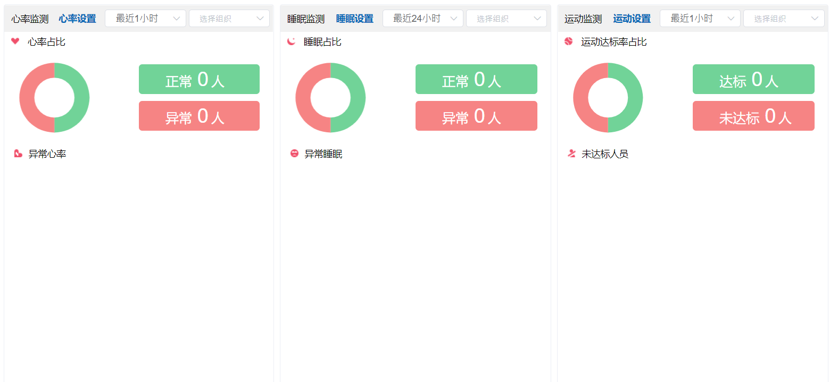
 |  | http://iotbiz.shunshiwei.com:9201/apis/api-user/comprehensive/personnel/moni/org/all/heart/rate/data | 查詢心律資料 |  | {"data":null,"code":0,"msg":null}
 |  | http://iotbiz.shunshiwei.com:9201/apis/api-user/comprehensive/personnel/moni/org/all/sleep/data | 查詢睡眠資料 |  | {"data":null,"code":0,"msg":null}
 |  | http://iotbiz.shunshiwei.com:9201/apis/api-user/comprehensive/personnel/moni/org/all/sport/data | 查詢運動資料 |  | {"data":null,"code":0,"msg":null}
 |  | http://iotbiz.shunshiwei.com:9201/apis/api-user/device/band/parameter/threshold/get/threshold | 查詢各項門檻值 |  | {"data":{"id":null,"tenantId":"12","parameterThresholdType":2,"gtVal":10.0,"ltVal":6.0,"eqVal":null,"createTime":null,"updateTime":null},"code":0,"msg":""}
 |  | http://iotbiz.shunshiwei.com:9201/apis/api-user/device/band/parameter/threshold/saveOrUpdate | 設置各項門檻值 |  | {"data":null,"code":0,"msg":"操作成功"}
 |  | 運動排名內沒有資料，不知道有資料時的畫面會不會有其他的觸發動作 (ex.每列資料有各自的按鈕可以查看細部資訊或者進行編輯)
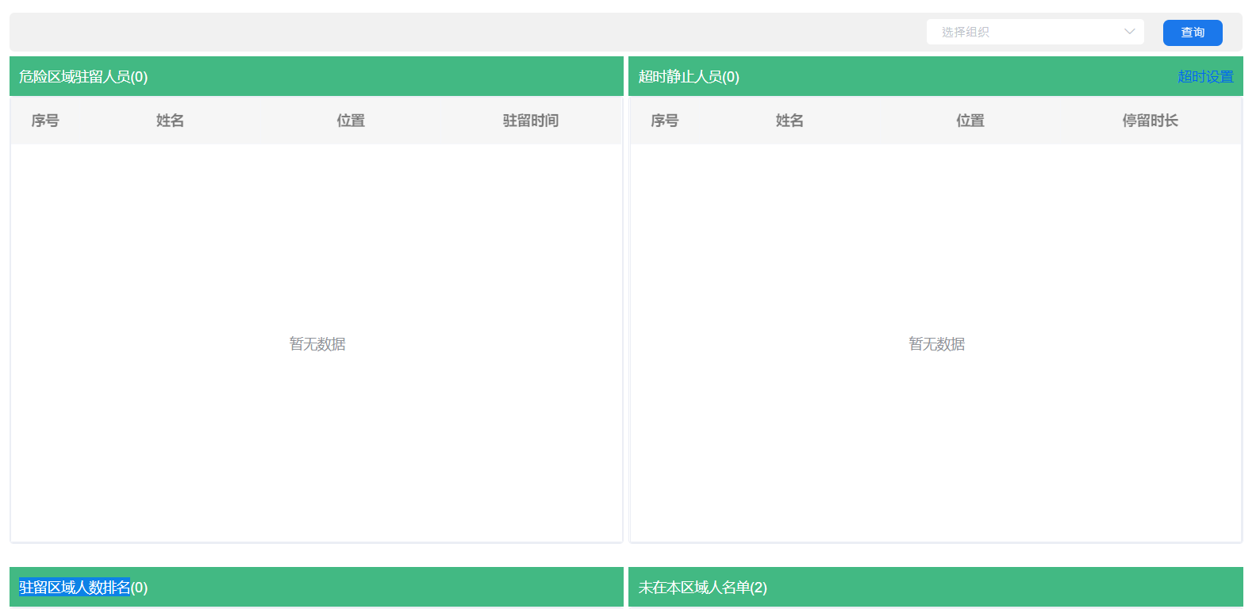
 | 停留監測 | http://iotbiz.shunshiwei.com:9201/apis/api-user/comprehensive/personnel/moni/org/all/hot/data | 取得四個區塊的數值
 |  | http://iotbiz.shunshiwei.com:9201/apis/api-user/sysOrganizations/list/cur/tree | 查詢組織樹
 |  | 部分區塊內沒有資料，不知道有資料時的畫面會不會有其他的觸發動作 (ex.每列資料有各自的按鈕可以查看細部資訊或者進行編輯)
 | 體溫監測 | http://iotbiz.shunshiwei.com:9201/apis/api-user/comprehensive/personnel/moni/all/temperature/summary/data | 取得體溫摘要 |  | {"data":[],"code":0,"msg":"操作成功"}
 |  | http://iotbiz.shunshiwei.com:9201/apis/api-user/sysOrganizations/list/cur/tree | 查詢組織樹
 |  | http://iotbiz.shunshiwei.com:9201/apis/api-user/comprehensive/personnel/moni/org/all/temperature/page/data | 取得全體體溫數據 |  | {"data":[{"id":"74","name":"Hannstar","description":"瀚宇彩晶股份有限公司","parent":"-1","code":"hanyucaij","tenantId":"12","createdBy":"71","deleted":"N","status":"2","level":"1","children":[{"id":"85","name":"SG0400","description":null,"parent":"74","code":null,"tenantId":"12","createdBy":"71","deleted":"N","status":"2","level":"2","children":[]}]}],"code":0,"msg":null}
 |  | 全體體溫數據區塊，不知道有資料時的畫面會不會有其他的觸發動作 (ex.每列資料有各自的按鈕可以查看細部資訊或者進行編輯) |  |  | {"data":null,"code":0,"msg":null}
 | 考勤管理 | http://iotbiz.shunshiwei.com:9201/apis/api-user/comprehensive/personnel/moni/get/att/condition/list | 取得考勤資訊 |  | {"data":{"pageNum":1,"pageSize":2,"size":2,"startRow":0,"endRow":1,"total":"2","pages":1,"list":[{"deviceName":null,"deviceDesc":null,"deviceModelId":null,"deviceModel":null,"serialNo":"d68ae3e42d97","cardNo":null,"electric":null,"id":"1937","name":"賀立夫","sex":true,"tenantName":"瀚宇彩晶股份有限公司","orgName":"SG0400","wristbandNo":null,"inTime":null,"outTime":null,"state":2},{"deviceName":null,"deviceDesc":null,"deviceModelId":null,"deviceModel":null,"serialNo":"d8c93c791358","cardNo":"0","electric":null,"id":"1936","name":"黃俊嘉","sex":true,"tenantName":"瀚宇彩晶股份有限公司","orgName":"SG0400","wristbandNo":null,"inTime":null,"outTime":null,"state":2}],"prePage":0,"nextPage":0,"isFirstPage":true,"isLastPage":true,"hasPreviousPage":false,"hasNextPage":false,"navigatePages":8,"navigatepageNums":[1],"navigateFirstPage":1,"navigateLastPage":1,"firstPage":1,"lastPage":1},"code":0,"msg":null}
 |  | http://iotbiz.shunshiwei.com:9201/apis/api-user/sysOrganizations/list/cur/tree | 查詢組織樹
 |  | http://iotbiz.shunshiwei.com:9201/apis/api-user/comprehensive/personnel/moni/cur/org/att/statistics | 取得儀錶板上方各項統計資訊 | 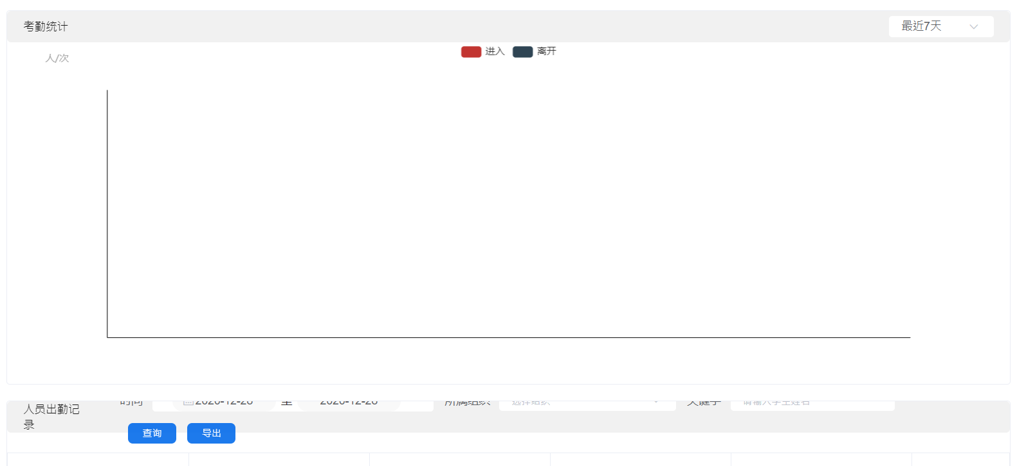 | {"data":[{"id":null,"totalBandInCount":"0","totalBandOutCount":"0","lastBandInCount":"0","lastBandOutCount":"0","createTime":1609171200000}],"code":0,"msg":"操作成功"}
 | 考勤管理-詳情頁 | http://iotbiz.shunshiwei.com:9201/apis/api-user/user/band/list | 取得人員設備資訊 |  | {"data":[{"id":"3784","serialNo":"d68ae3e42d97","employeeId":"1937","useState":1,"tenantId":"12","orgId":"74","createTime":1594708000000,"updateTime":null,"createdBy":null}],"code":0,"msg":null}
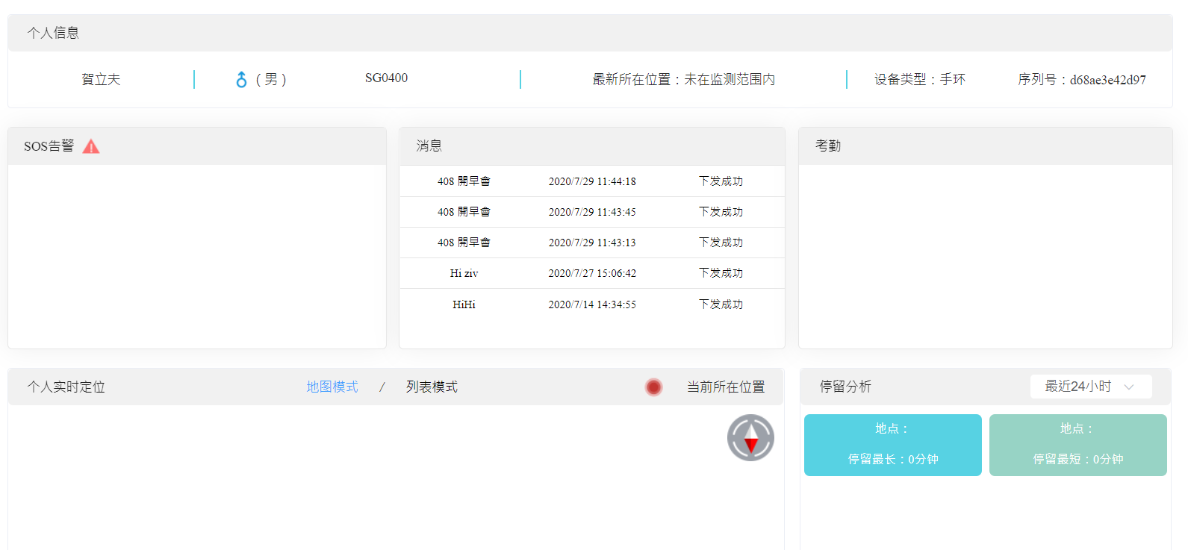
 |  | http://iotbiz.shunshiwei.com:9201/apis/api-user/personnel/moni/get/cur/location/data | 取得人員定位資訊 |  | {"data":null,"code":0,"msg":null}
 |  | http://iotbiz.shunshiwei.com:9201/apis/api-user/personnel/moni/get/track/summary/data | 取得個人停留分析 |  | {"data":[],"code":0,"msg":"操作成功"}
 |  | http://iotbiz.shunshiwei.com:9201/apis/api-user/personnel/moni/get/lately/sos/data | 取得SOS告警資訊 |  | {"data":[],"code":0,"msg":"操作成功"}
 |  | http://iotbiz.shunshiwei.com:9201/apis/api-user/personnel/moni/get/attendance/data/limit |  |  | {"data":[],"code":0,"msg":"操作成功"}
 |  | http://iotbiz.shunshiwei.com:9201/apis/api-user/device/msg/cardMsgs | 依據人員取得消息 |  | {"data":{"pageNum":1,"pageSize":20,"size":5,"startRow":1,"endRow":5,"total":"5","pages":1,"list":[{"id":"562","taskid":"209","msgType":1,"serialNo":"d68ae3e42d97","employeeId":"1937","receiver":"賀立夫","msg":"408 開早會","status":3,"createBy":"71","createTime":1595994258000,"tenantId":"12","msgIndex":"009b20200729114449d68ae3e42d97"},{"id":"560","taskid":"208","msgType":1,"serialNo":"d68ae3e42d97","employeeId":"1937","receiver":"賀立夫","msg":"408 開早會","status":3,"createBy":"71","createTime":1595994225000,"tenantId":"12","msgIndex":"009b20200729114415d68ae3e42d97"},{"id":"559","taskid":"207","msgType":1,"serialNo":"d68ae3e42d97","employeeId":"1937","receiver":"賀立夫","msg":"408 開早會","status":3,"createBy":"71","createTime":1595994193000,"tenantId":"12","msgIndex":"009b20200729114344d68ae3e42d97"},{"id":"545","taskid":"194","msgType":1,"serialNo":"d68ae3e42d97","employeeId":"1937","receiver":"賀立夫","msg":"Hi ziv","status":3,"createBy":"71","createTime":1595833602000,"tenantId":"12","msgIndex":"009b20200727150711d68ae3e42d97"},{"id":"514","taskid":"171","msgType":1,"serialNo":"d68ae3e42d97","employeeId":"1937","receiver":"賀立夫","msg":"HiHi","status":3,"createBy":"71","createTime":1594708495000,"tenantId":"12","msgIndex":"009b20200714143512d68ae3e42d97"}],"prePage":0,"nextPage":0,"isFirstPage":true,"isLastPage":true,"hasPreviousPage":false,"hasNextPage":false,"navigatePages":8,"navigatepageNums":[1],"navigateFirstPage":1,"navigateLastPage":1,"firstPage":1,"lastPage":1},"code":0,"msg":"获取成功"}
 |  | http://iotbiz.shunshiwei.com:9201/apis/api-user/personnel/moni/get/lately/sport/data | 個人運動分析 |  | {"data":[],"code":0,"msg":"操作成功"}
 |  | http://iotbiz.shunshiwei.com:9201/apis/api-user/personnel/moni/get/heart/rate/data | 個人心率分析
 |  | http://iotbiz.shunshiwei.com:9201/apis/api-user/personnel/moni/get/track/data | 取得個人實時定位 |  | {"data":[],"code":0,"msg":"操作成功"}
 |  | http://iotbiz.shunshiwei.com:9201/apis/api-user/beacon/addr/config/list | 取得所有成員位置資訊
 |  | http://iotbiz.shunshiwei.com:9201/apis/api-tenant/sysTenants/get/tenant/map
 |  | http://iotbiz.shunshiwei.com:9201/apis/api-user/comprehensive/personnel/moni/get/att/condition/list |  |  | {"data":{"pageNum":1,"pageSize":2,"size":2,"startRow":0,"endRow":1,"total":"2","pages":1,"list":[{"deviceName":null,"deviceDesc":null,"deviceModelId":null,"deviceModel":null,"serialNo":"d68ae3e42d97","cardNo":null,"electric":null,"id":"1937","name":"賀立夫","sex":true,"tenantName":"瀚宇彩晶股份有限公司","orgName":"SG0400","wristbandNo":null,"inTime":null,"outTime":null,"state":2},{"deviceName":null,"deviceDesc":null,"deviceModelId":null,"deviceModel":null,"serialNo":"d8c93c791358","cardNo":"0","electric":null,"id":"1936","name":"黃俊嘉","sex":true,"tenantName":"瀚宇彩晶股份有限公司","orgName":"SG0400","wristbandNo":null,"inTime":null,"outTime":null,"state":2}],"prePage":0,"nextPage":0,"isFirstPage":true,"isLastPage":true,"hasPreviousPage":false,"hasNextPage":false,"navigatePages":8,"navigatepageNums":[1],"navigateFirstPage":1,"navigateLastPage":1,"firstPage":1,"lastPage":1},"code":0,"msg":null}
 | 消息群發 | http://iotbiz.shunshiwei.com:9201/apis/api-user/device/msg/listTask | 列出消息 |  | {"data":{"pageNum":1,"pageSize":10,"size":8,"startRow":1,"endRow":8,"total":"8","pages":1,"list":[{"id":"245","msgType":1,"receiveType":3,"receiver":"1936","msg":"Hi Jack","createBy":"71","createName":"hanyucaij","createTime":1603352489437,"tenantId":"12"},{"id":"209","msgType":1,"receiveType":1,"receiver":"全员","msg":"408 開早會","createBy":"71","createName":"hanyucaij","createTime":1595994258369,"tenantId":"12"},{"id":"208","msgType":1,"receiveType":3,"receiver":"1937,1936","msg":"408 開早會","createBy":"71","createName":"hanyucaij","createTime":1595994224751,"tenantId":"12"},{"id":"207","msgType":1,"receiveType":3,"receiver":"1937","msg":"408 開早會","createBy":"71","createName":"hanyucaij","createTime":1595994193298,"tenantId":"12"},{"id":"204","msgType":1,"receiveType":3,"receiver":"1936","msg":"123","createBy":"71","createName":"hanyucaij","createTime":1595921225865,"tenantId":"12"},{"id":"194","msgType":1,"receiveType":3,"receiver":"1937","msg":"Hi ziv","createBy":"71","createName":"hanyucaij","createTime":1595833601965,"tenantId":"12"},{"id":"193","msgType":1,"receiveType":3,"receiver":"1936","msg":"Jack , run","createBy":"71","createName":"hanyucaij","createTime":1595829103418,"tenantId":"12"},{"id":"171","msgType":1,"receiveType":1,"receiver":"全员","msg":"HiHi","createBy":"71","createName":"hanyucaij","createTime":1594708494652,"tenantId":"12"}],"prePage":0,"nextPage":0,"isFirstPage":true,"isLastPage":true,"hasPreviousPage":false,"hasNextPage":false,"navigatePages":8,"navigatepageNums":[1],"navigateFirstPage":1,"navigateLastPage":1,"firstPage":1,"lastPage":1},"code":0,"msg":"获取成功"}
 |  | http://iotbiz.shunshiwei.com:9201/apis/api-user/sysOrganizations/list/cur/tree | 查詢組織樹
 |  | http://iotbiz.shunshiwei.com:9201/apis/api-user/sysEmployees/list | 取得當前組織內人員
 |  | http://iotbiz.shunshiwei.com:9201/apis/api-user/device/msg/staticAllMsg | 取得儀錶板上方各項統計資訊 | 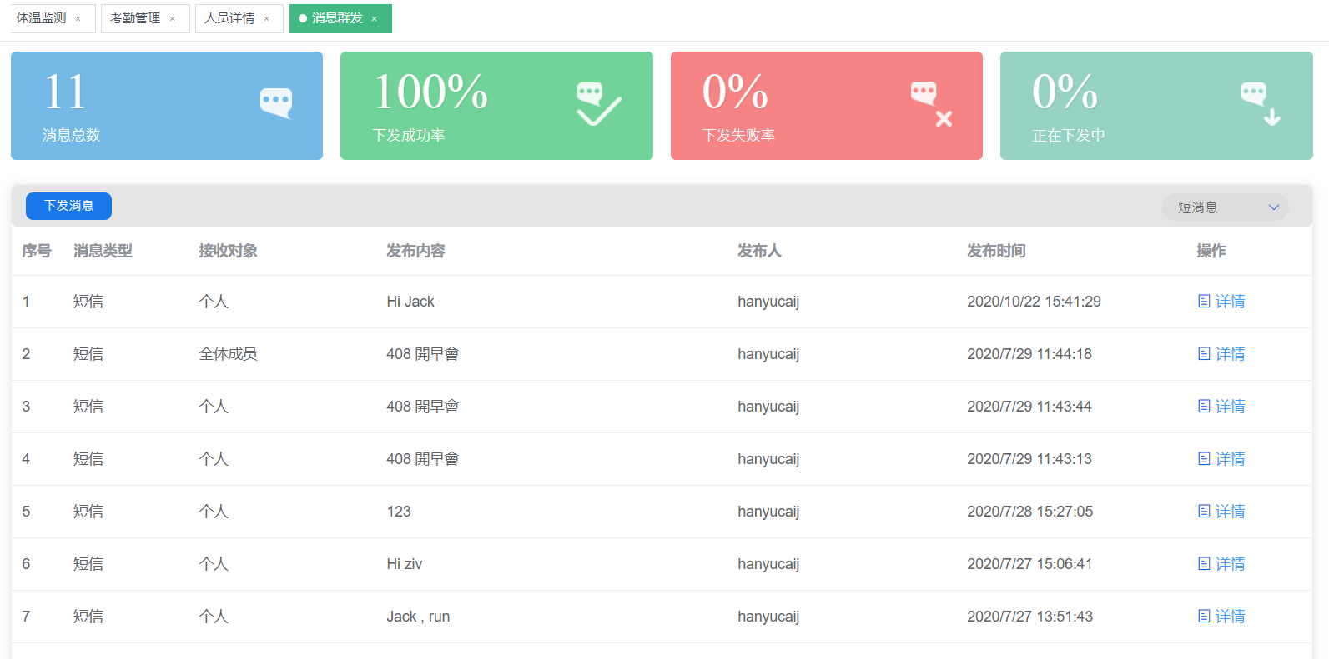 | {"data":{"fail":"0","total":"11","success":"100","sending":"0"},"code":0,"msg":"获取成功"}
 | 消息群發-詳情頁 | http://iotbiz.shunshiwei.com:9201/apis/api-user/device/msg/listMsg | 取得下發資訊 |  | {"data":{"pageNum":1,"pageSize":10,"size":1,"startRow":1,"endRow":1,"total":"1","pages":1,"list":[{"id":"596","taskid":"245","msgType":1,"serialNo":"d8c93c791358","employeeId":"1936","receiver":"黃俊嘉","msg":"Hi Jack","status":3,"createBy":"71","createTime":1603352489000,"tenantId":"12","msgIndex":"009b20201022154311d8c93c791358"}],"prePage":0,"nextPage":0,"isFirstPage":true,"isLastPage":true,"hasPreviousPage":false,"hasNextPage":false,"navigatePages":8,"navigatepageNums":[1],"navigateFirstPage":1,"navigateLastPage":1,"firstPage":1,"lastPage":1},"code":0,"msg":"获取成功"}
 |  | http://iotbiz.shunshiwei.com:9201/apis/api-user/device/msg/staticTaskMsg | 取得上方失敗率
 |  | http://iotbiz.shunshiwei.com:9201/apis/api-user/device/msg/staticTaskMsg |  | 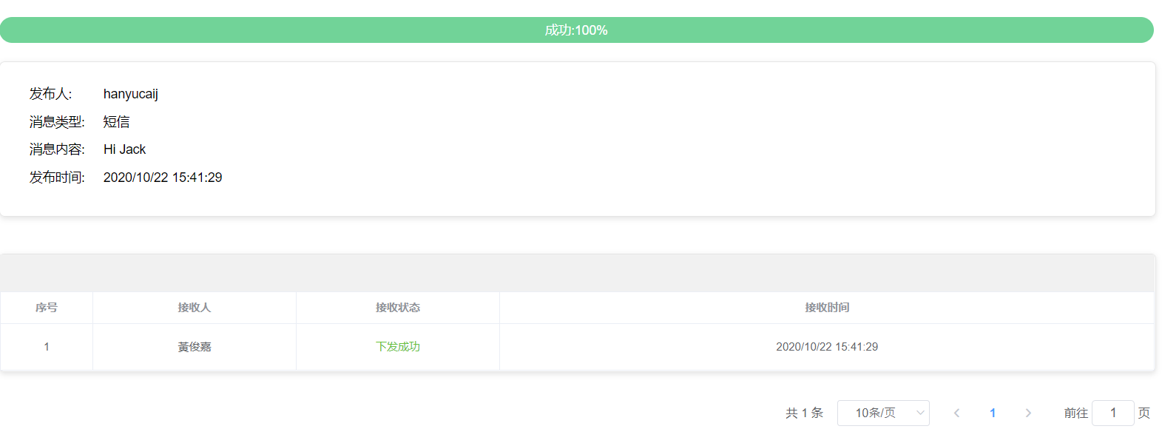 | {"data":{"fail":"0","total":"1","success":"100","sending":"0"},"code":0,"msg":"获取成功"}

個人監測 | 個人監測 | http://iotbiz.shunshiwei.com:9201/apis/api-user/sysEmployees/list | 取得當前組織內人員 |  | {"data":{"pageNum":1,"pageSize":10,"size":3,"startRow":1,"endRow":3,"total":"3","pages":1,"list":[{"id":"1978","name":"Angelina Jolie","personNo":"89757","phone":"0912344567","sex":false,"needAttnd":true,"orgId":"74","orgName":"Hannstar","remarks":"","bandBindState":2,"cardBindState":2,"sendCardState":0,"cardInfo":null,"bandNo":null},{"id":"1937","name":"賀立夫","personNo":"000002","phone":"0912345679","sex":true,"needAttnd":true,"orgId":"85","orgName":"SG0400","remarks":"","bandBindState":1,"cardBindState":2,"sendCardState":0,"cardInfo":"Movie Star|||","bandNo":"d68ae3e42d97"},{"id":"1936","name":"黃俊嘉","personNo":"30024697","phone":"0912345678","sex":true,"needAttnd":true,"orgId":"85","orgName":"SG0400","remarks":"","bandBindState":1,"cardBindState":2,"sendCardState":0,"cardInfo":null,"bandNo":"d8c93c791358"}],"prePage":0,"nextPage":0,"isFirstPage":true,"isLastPage":true,"hasPreviousPage":false,"hasNextPage":false,"navigatePages":8,"navigatepageNums":[1],"navigateFirstPage":1,"navigateLastPage":1,"firstPage":1,"lastPage":1},"code":0,"msg":null}
 |  | http://iotbiz.shunshiwei.com:9201/apis/api-user/sysOrganizations/list/cur/tree | 查詢組織樹
 |  | http://iotbiz.shunshiwei.com:9201/apis/api-user/device/msg/cardMsgs | 依據人員取得消息
 |  | http://iotbiz.shunshiwei.com:9201/apis/api-user/user/band/list | 取得人員設備資訊
 |  | http://iotbiz.shunshiwei.com:9201/apis/api-user/personnel/moni/get/cur/location/data | 取得人員定位資訊
 |  | http://iotbiz.shunshiwei.com:9201/apis/api-user/personnel/moni/get/track/summary/data | 取得個人停留分析
 |  | http://iotbiz.shunshiwei.com:9201/apis/api-user/personnel/moni/get/lately/sos/data | 取得SOS告警資訊
 |  | http://iotbiz.shunshiwei.com:9201/apis/api-user/personnel/moni/get/attendance/data/limit
 |  | http://iotbiz.shunshiwei.com:9201/apis/api-user/personnel/moni/get/heart/rate/data | 個人心率分析
 |  | http://iotbiz.shunshiwei.com:9201/apis/api-user/personnel/moni/get/lately/sport/data | 個人運動分析
 |  | http://iotbiz.shunshiwei.com:9201/apis/api-user/personnel/moni/get/track/data | 取得個人實時定位
 |  | http://iotbiz.shunshiwei.com:9201/apis/api-tenant/sysTenants/get/tenant/map
 |  | http://iotbiz.shunshiwei.com:9201/apis/api-user/device/msg/save | 下發消息 |  | {"data":true,"code":0,"msg":"操作成功"}
 | 接觸追溯 | 中間區塊，不知道有資料時的畫面會不會有其他的觸發動作，目前此塊似乎沒有做資料的載入行為 |  | 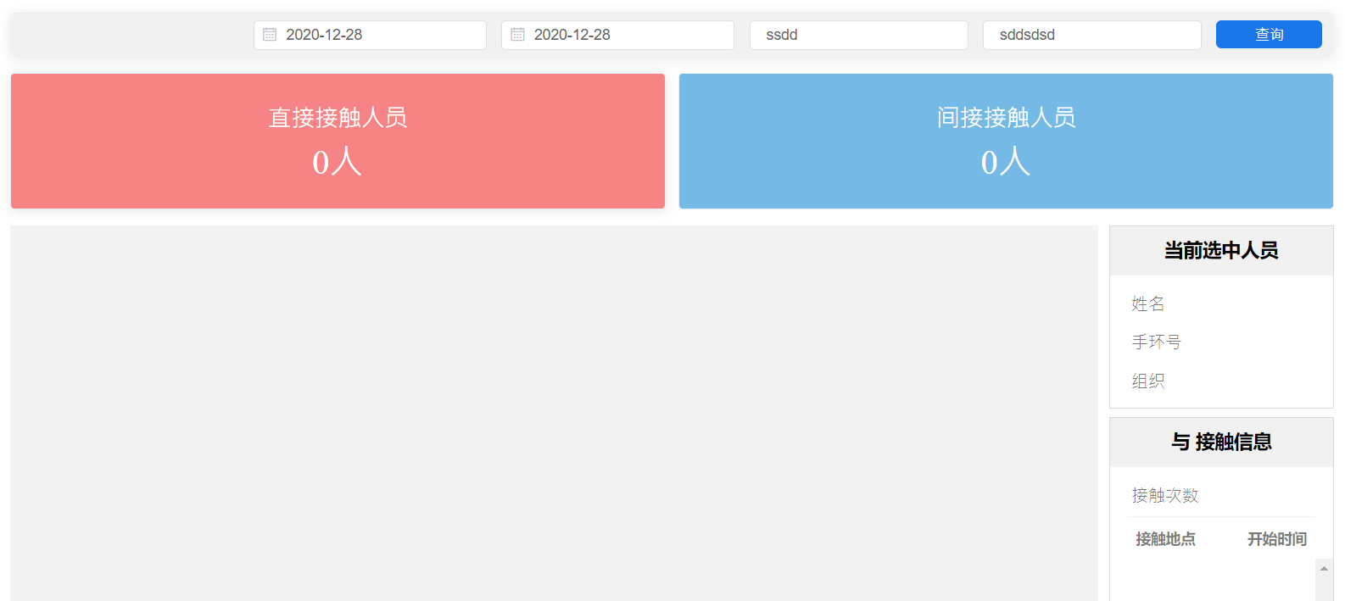
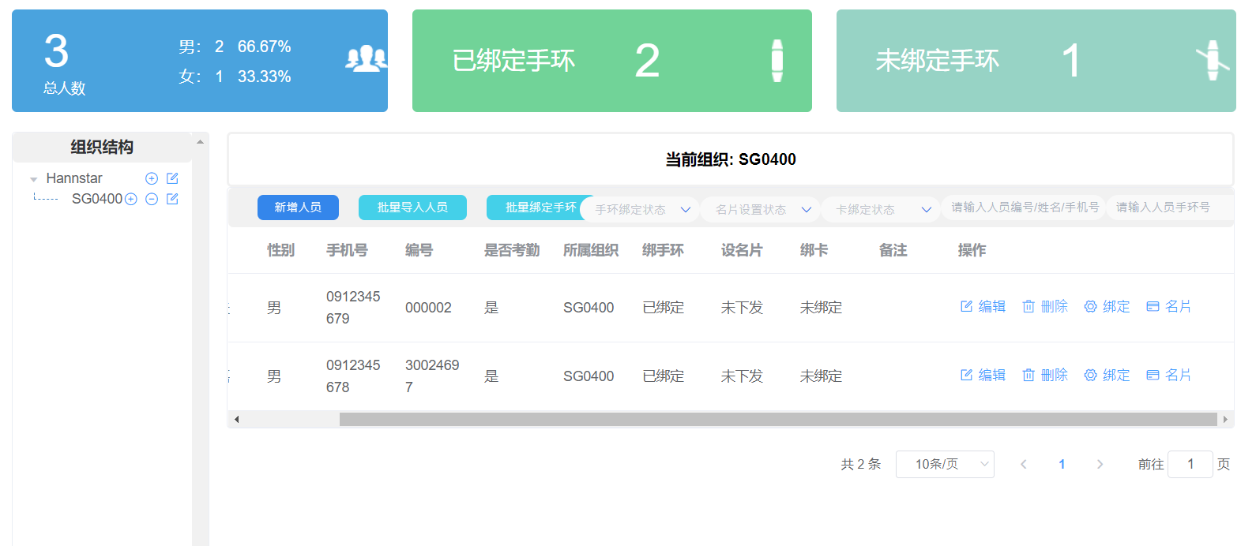
 | 組織&人員 | http://iotbiz.shunshiwei.com:9201/apis/api-user/sysEmployees/save | 新增人員
 |  | http://iotbiz.shunshiwei.com:9201/apis/api-user/sysEmployees/update | 編輯人員
 |  | http://iotbiz.shunshiwei.com:9201/apis/api-user/sysEmployees/delete | 刪除人員
 |  | http://iotbiz.shunshiwei.com:9201/apis/api-user/sysEmployees/import | 批量導入人員
 |  | http://iotbiz.shunshiwei.com:9201/apis/api-user/user/band/import | 批量綁定人員手環
 |  | http://iotbiz.shunshiwei.com:9201/apis/api-user/user/band/bind | 綁定人員手環
 |  | http://iotbiz.shunshiwei.com:9201/apis/api-user/device/msg/save | 編輯個人名片
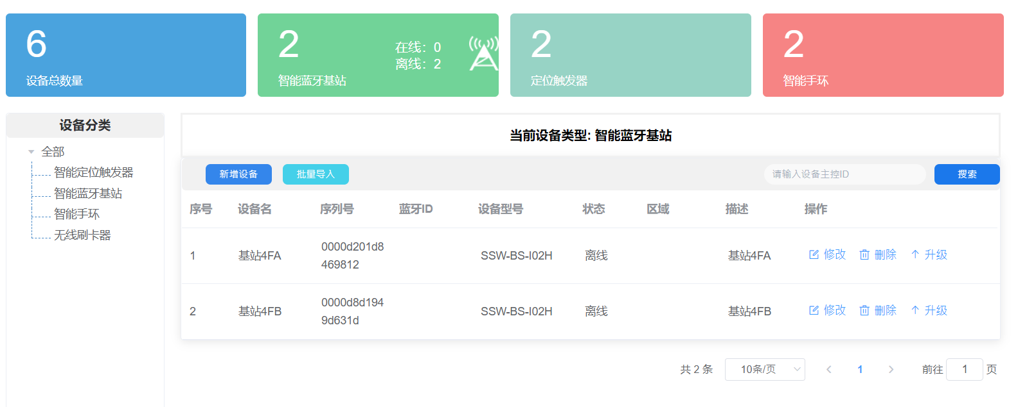
 | 設備管理 | http://iotbiz.shunshiwei.com:9201/apis/api-user/sysTenants/device/statistics | 畫面上方四項統計數值 |  | {"data":{"allNum":6,"gatewayNum":2,"beaconNum":2,"bandNum":2,"gatewayOnlineNum":0,"gatewayOfflineNum":2},"code":0,"msg":null}
 |  | http://iotbiz.shunshiwei.com:9201/apis/api-user/device/beacon/list | 列出智能定位觸發器
 |  | http://iotbiz.shunshiwei.com:9201/apis/api-user/device/beacon/update | 編輯智能定位觸發器
 |  | http://iotbiz.shunshiwei.com:9201/apis/api-user/device/beacon/save | 新增智能定位觸發器
 |  | http://iotbiz.shunshiwei.com:9201/apis/api-user/device/beacon/delete | 刪除智能定位觸發器
 |  | http://iotbiz.shunshiwei.com:9201/apis/api-user/device/beacon/import | 批量匯入智能定位觸發器
 |  | http://iotbiz.shunshiwei.com:9201/apis/api-user/device/gateway/list | 列出智能藍芽基站
 |  | http://iotbiz.shunshiwei.com:9201/apis/api-user/device/gateway/update | 編輯智能藍芽基站
 |  | http://iotbiz.shunshiwei.com:9201/apis/api-user/device/gateway/save | 新增智能藍芽基站
 |  | http://iotbiz.shunshiwei.com:9201/apis/api-user/device/gateway/delete | 刪除智能藍芽基站
 |  | http://iotbiz.shunshiwei.com:9201/apis/api-device/band/gateway/upgrade/GSM | 升級智能藍芽基站
 |  | http://iotbiz.shunshiwei.com:9201/apis/api-user/device/gateway/import | 批量匯入智能藍芽基站
 |  | http://iotbiz.shunshiwei.com:9201/apis/api-user/device/band/list | 列出智能手環
 |  | http://iotbiz.shunshiwei.com:9201/apis/api-user/device/band/update | 編輯智能手環
 |  | http://iotbiz.shunshiwei.com:9201/apis/api-user/device/band/save | 新增智能手環
 |  | http://iotbiz.shunshiwei.com:9201/apis/api-user/device/band/delete | 刪除智能手環
 |  | http://iotbiz.shunshiwei.com:9201/apis/api-user/device/band/import | 批量匯入智能手環
 |  | http://iotbiz.shunshiwei.com:9201/apis/api-user/device/swipestation/list | 列出無線刷卡機
 |  | http://iotbiz.shunshiwei.com:9201/apis/api-user/device/swipestation/update | 編輯無線刷卡機
 |  | http://iotbiz.shunshiwei.com:9201/apis/api-user/device/swipestation/save | 新增無線刷卡機
 |  | http://iotbiz.shunshiwei.com:9201/apis/api-user/device/swipestation/delete | 刪除無線刷卡機
 |  | http://iotbiz.shunshiwei.com:9201/apis/api-user/device/swipestation/import | 批量匯入無線刷卡機
 |  | http://iotbiz.shunshiwei.com:9201/apis/api-user/domain/list |  |  | {"data":[],"code":0,"msg":null}
 |  | http://iotbiz.shunshiwei.com:9201/apis/api-user/deviceType/dic/list | 取得設備分類 |  | {"data":{"pageNum":1,"pageSize":10,"size":4,"startRow":1,"endRow":4,"total":"4","pages":1,"list":[{"deviceTypeId":8,"deviceTypeName":"智能定位触发器","deviceTypeFlag":0,"deviceTypeState":1,"deviceTypeUpgrade":0,"deviceTypeDesc":"智能定位触发器","deviceTypeImage":null,"createBy":"1"},{"deviceTypeId":9,"deviceTypeName":"智能蓝牙基站","deviceTypeFlag":0,"deviceTypeState":1,"deviceTypeUpgrade":1,"deviceTypeDesc":"智能蓝牙基站","deviceTypeImage":null,"createBy":"1"},{"deviceTypeId":10,"deviceTypeName":"智能手环","deviceTypeFlag":1,"deviceTypeState":1,"deviceTypeUpgrade":0,"deviceTypeDesc":"智能手环","deviceTypeImage":null,"createBy":"1"},{"deviceTypeId":14,"deviceTypeName":"无线刷卡器","deviceTypeFlag":0,"deviceTypeState":1,"deviceTypeUpgrade":0,"deviceTypeDesc":"无线刷卡器","deviceTypeImage":null,"createBy":"1"}],"prePage":0,"nextPage":0,"isFirstPage":true,"isLastPage":true,"hasPreviousPage":false,"hasNextPage":false,"navigatePages":8,"navigatepageNums":[1],"navigateFirstPage":1,"navigateLastPage":1,"firstPage":1,"lastPage":1},"code":0,"msg":null}
 |  | http://iotbiz.shunshiwei.com:9201/apis/api-user/deviceModel/dic/list | 取得新增和編輯時可以選擇的設備型號 |  | {"data":{"pageNum":1,"pageSize":10,"size":10,"startRow":1,"endRow":10,"total":"15","pages":2,"list":[{"deviceModelId":1,"deviceTypeId":9,"deviceTypeName":"智能蓝牙基站","deviceModelName":"SSW-BS-O01","deviceModelParam":"","deviceModelState":1,"deviceModelDesc":"室外型，带主控功能","createBy":"1"},{"deviceModelId":2,"deviceTypeId":9,"deviceTypeName":"智能蓝牙基站","deviceModelName":"SSW-BS-O03","deviceModelParam":"","deviceModelState":1,"deviceModelDesc":"室外型，不带主控功能","createBy":"1"},{"deviceModelId":3,"deviceTypeId":9,"deviceTypeName":"智能蓝牙基站","deviceModelName":"SSW-BS-I02","deviceModelParam":"","deviceModelState":1,"deviceModelDesc":"室内型，带主控功能","createBy":"1"},{"deviceModelId":4,"deviceTypeId":9,"deviceTypeName":"智能蓝牙基站","deviceModelName":"SSW-BS-I04","deviceModelParam":"","deviceModelState":1,"deviceModelDesc":"室内型，不带主控功能","createBy":"1"},{"deviceModelId":5,"deviceTypeId":9,"deviceTypeName":"智能蓝牙基站","deviceModelName":"SSW-BS-O01H","deviceModelParam":"","deviceModelState":1,"deviceModelDesc":"室外型带主控，高配版","createBy":"1"},{"deviceModelId":6,"deviceTypeId":9,"deviceTypeName":"智能蓝牙基站","deviceModelName":"SSW-BS-O01L","deviceModelParam":"","deviceModelState":1,"deviceModelDesc":"室外型带主控，低配版","createBy":"1"},{"deviceModelId":7,"deviceTypeId":9,"deviceTypeName":"智能蓝牙基站","deviceModelName":"SSW-BS-I02H","deviceModelParam":"","deviceModelState":1,"deviceModelDesc":"室内型带主控，高配版","createBy":"1"},{"deviceModelId":8,"deviceTypeId":9,"deviceTypeName":"智能蓝牙基站","deviceModelName":"SSW-BS-I02L","deviceModelParam":"","deviceModelState":1,"deviceModelDesc":"室内型带主控，低配版","createBy":"1"},{"deviceModelId":11,"deviceTypeId":8,"deviceTypeName":"智能定位触发器","deviceModelName":"SSW-H-TI01F","deviceModelParam":"","deviceModelState":1,"deviceModelDesc":"FPC天线版本","createBy":"1"},{"deviceModelId":12,"deviceTypeId":8,"deviceTypeName":"智能定位触发器","deviceModelName":"SSW-H-TI01B","deviceModelParam":"","deviceModelState":1,"deviceModelDesc":"板载天线版本","createBy":"1"}],"prePage":0,"nextPage":2,"isFirstPage":true,"isLastPage":false,"has

 | 位置&考勤 | http://iotbiz.shunshiwei.com:9201/apis/api-user/device/beacon/unbind |  |  | {"data":[],"code":0,"msg":null}
 |  | http://iotbiz.shunshiwei.com:9201/apis/api-user/device/beacon/unconfig/list |  |  | {"data":[{"id":"474","serialNo":"d12036f12445","beaconId":63,"beaconAddrId":"d12036f12445","deviceDesc":"會議室","parentDomainId":null,"userGroupId":null,"tenantId":"12","addr":"會議室","addrType":null,"deviceName":"會議室","electric":null,"localStat":null,"createBy":null,"remarks":null,"classType":8,"modelType":12,"tenantGroupId":null,"createUser":null,"updateUser":null,"createTime":1594781701000,"updateTime":null,"deviceSource":0,"tagCode":null,"bizCode":null,"code":null,"bindState":1,"configState":0,"xvalue":null,"yvalue":null}],"code":0,"msg":null}
 |  | http://iotbiz.shunshiwei.com:9201/apis/api-user/beacon/attnd/config/list | 列出考勤 |  | {"data":{"pageNum":1,"pageSize":10,"size":1,"startRow":1,"endRow":1,"total":"1","pages":1,"list":[{"id":"13","addrName":"大廳","configName":"大廳","beaconIds":"177","attndType":2,"configDesc":"大廳","tenantId":"12","createTime":1594781755000,"updateTime":1594782017000,"createBy":null,"state":1,"groupId":null,"beaconList":[{"id":"473","serialNo":"d85f4b6b4252","beaconId":177,"beaconAddrId":"d85f4b6b4252","deviceDesc":"大廳","parentDomainId":null,"userGroupId":null,"tenantId":"12","addr":"大廳","addrType":null,"deviceName":"大廳","electric":null,"localStat":null,"createBy":null,"remarks":null,"classType":8,"modelType":12,"tenantGroupId":null,"createUser":null,"updateUser":null,"createTime":1594781685000,"updateTime":null,"deviceSource":0,"tagCode":null,"bizCode":null,"bindState":1,"configState":1,"xvalue":null,"yvalue":null}]}],"prePage":0,"nextPage":0,"isFirstPage":true,"isLastPage":true,"hasPreviousPage":false,"hasNextPage":false,"navigatePages":8,"navigatepageNums":[1],"navigateFirstPage":1,"navigateLastPage":1,"firstPage":1,"lastPage":1},"code":0,"msg":null}
 |  | http://iotbiz.shunshiwei.com:9201/apis/api-user/beacon/attnd/config/save | 新增考勤 |  | {"data":true,"code":0,"msg":"操作成功"}
 |  | http://iotbiz.shunshiwei.com:9201/apis/api-user/beacon/attnd/config/update | 編輯考勤 |  | {"data":true,"code":0,"msg":"操作成功"}
 |  | http://iotbiz.shunshiwei.com:9201/apis/api-user/beacon/attnd/config/delete | 刪除考勤 |  | {"data":true,"code":0,"msg":"操作成功"}
 |  | http://iotbiz.shunshiwei.com:9201/apis/api-user/beacon/attnd/config/beaconids | 考勤綁定設備 |  | {"data":true,"code":0,"msg":"操作成功"}
 |  | http://iotbiz.shunshiwei.com:9201/apis/api-user/beacon/addr/config/list | 列出位置 |  | {"data":true,"code":0,"msg":"操作成功"}
 |  | http://iotbiz.shunshiwei.com:9201/apis/api-user/beacon/addr/config/save | 新增位置 |  | {"data":true,"code":0,"msg":"操作成功"}
 |  | http://iotbiz.shunshiwei.com:9201/apis/api-user/beacon/addr/config/update | 編輯位置 |  | {"data":true,"code":0,"msg":"操作成功"}
 |  | http://iotbiz.shunshiwei.com:9201/apis/api-user/beacon/addr/config/delete | 刪除位置 |  | {"data":null,"code":0,"msg":"操作成功"}
 |  | http://iotbiz.shunshiwei.com:9201/apis/api-user/beacon/addr/config/bind | 位置綁定設備 |  | {"data":null,"code":0,"msg":"操作成功"}

 | 電子圍欄 | http://iotbiz.shunshiwei.com:9201/apis/api-user/device/electronic/fence/alarm/config/beacon/list |  |  | {"data":{"pageNum":1,"pageSize":100,"size":1,"startRow":1,"endRow":1,"total":"1","pages":1,"list":[{"id":"473","serialNo":"d85f4b6b4252","beaconId":177,"beaconAddrId":"d85f4b6b4252","deviceDesc":"大廳","parentDomainId":null,"userGroupId":null,"tenantId":"12","addr":"大廳","addrType":null,"deviceName":"大廳","electric":null,"localStat":null,"createBy":null,"remarks":null,"classType":8,"modelType":12,"tenantGroupId":null,"createUser":null,"updateUser":null,"createTime":1594781685000,"updateTime":null,"deviceSource":0,"tagCode":null,"bizCode":null,"code":null,"bindState":1,"configState":1,"xvalue":null,"yvalue":null}],"prePage":0,"nextPage":0,"isFirstPage":true,"isLastPage":true,"hasPreviousPage":false,"hasNextPage":false,"navigatePages":8,"navigatepageNums":[1],"navigateFirstPage":1,"navigateLastPage":1,"firstPage":1,"lastPage":1},"code":0,"msg":null}
 |  | http://iotbiz.shunshiwei.com:9201/apis/api-user/device/electronic/fence/alarm/config/get/to/map |  |  | {"data":[{"id":"417","beaconIds":"63","addrDescri":"會議室","addrId":"d12036f12445","remarks":null,"groupId":null,"localStat":null,"tenantId":"12","tenantGroupId":null,"createBy":null,"createTime":1594779557000,"updateTime":1594781928000,"fenceState":null,"severity":1,"remark":"一般不可進入","name":"M","xvalue":10,"yvalue":10}],"code":0,"msg":null}
 |  | http://iotbiz.shunshiwei.com:9201/apis/api-user/device/electronic/fence/alarm/config/list | 列出電子圍欄
 |  | http://iotbiz.shunshiwei.com:9201/apis/api-user/device/electronic/fence/alarm/config/save | 新增電子圍欄
 |  | http://iotbiz.shunshiwei.com:9201/apis/api-user/device/electronic/fence/alarm/config/update | 編輯電子圍欄
 |  | http://iotbiz.shunshiwei.com:9201/apis/api-user/device/electronic/fence/alarm/config/delete | 刪除電子圍欄
用戶管理 | 用戶管理 | http://iotbiz.shunshiwei.com:9201/apis/api-tenant/users/in/list | 列出用戶
 |  | http://iotbiz.shunshiwei.com:9201/apis/api-tenant/users/in/saveOrUpdate | 新增用戶
 |  | http://iotbiz.shunshiwei.com:9201/apis/api-tenant/users/in/modify | 編輯用戶

 |  | http://iotbiz.shunshiwei.com:9201/apis/api-tenant/users/in/delete/info | 刪除用戶 | 
 | 腳色管理 | http://iotbiz.shunshiwei.com:9201/apis/api-tenant/menus/collections/list | 取得可以添加的權限列表
 |  | http://iotbiz.shunshiwei.com:9201/apis/api-tenant/roles/cur/list | 列出腳色
 |  | http://iotbiz.shunshiwei.com:9201/apis/api-tenant/roles/cur/saveOrUpdate | 新增與編輯腳色
 |  | http://iotbiz.shunshiwei.com:9201/apis/api-tenant/roles/cur/delete | 刪除腳色
 |  | http://iotbiz.shunshiwei.com:9201/apis/api-tenant/roles/cur/collections

